Sheet1
Enterprise Size Declaration
The full definition of SME, can be found in Annex I of Commission Regulation (EC) No651/2014 of 17th June 2014 declaring certain categories of aid compatible with the internal market in application of Articles 107 and 108 of the Treaty (General Block Exemption Regulation)

Information must be based on the latest approved accounting period

Name of Undertaking
This section should specify the legal name of the undertaking as defined in the Memorandum of Articles. In the case of partnerships and co-operatives the name outlined in the deed of partnership should be used in this section. In the case of Sole Traders, the name of the sole trader shall be inserted.

Undertaking Registration Number
Companies should provide the company registration number. Partnerships should enter their partnership number. A sole trader must insert the identity card number.

Head count and Balance Sheet or Turnover of Applicant Undertaking
The Enterprise Size Declaration can be based on the balance sheet total or on the turnover. Choose One. Select the parameter - Balance Sheet Total or Turnover - you will use in this declaration. The same option should be chosen throughout

 | Year |  | Full-Time Equivalent (FTE) |  | Balance Sheet
 | 2019
 | 2018
 | 2017

List all undertakings which are linked to the applicant
In summary "Linked undertakings" are undertakings which have any of the following relationships : (a) an undertaking has a majority of the shareholders’ or members’ voting rights in another undertaking; (b) an undertaking has the right to appoint or remove a majority of the members of the administrative, management or supervisory body of another undertaking; (c) an undertaking has the right to exercise a dominant influence over another undertaking pursuant to a contract entered into with that undertaking or to a provision in its memorandum or articles of association; (d) one undertaking, which is a shareholder in or member of another undertaking, controls alone, pursuant to an agreement with other shareholders in or members of that undertaking, a majority of shareholders’ or members’ voting rights in that undertaking.
Undertaking Name |  | Registration No |  | FTE 2019 | FTE 2018 | FTE 2017 | Choose One | Choose One | Choose One | Percentage Holding

List all undertakings which are partnered to the applicant
Partner undertakings are undertakings that do not fall within the definition of linked undertakings (see above) and which hold, either solely or jointly with one or more linked undertakings 25% or more (up to 50%) of the capital or voting rights of another undertaking.

Undertaking Name |  | Registration No |  | FTE 2019 | FTE 2018 | FTE 2017 | Choose One | Choose One | Choose One | Percentage Holding

 |  | FTE 2019 |  | Choose One | FTE 2018 | Choose One | FTE 2017 | Choose One
Applicant Undertaking |  | 0 |  | 0 | 0 | 0 | 0 | 0
Linked Undertakings |  | 0 |  | 0 | 0 | 0 | 0 | 0
Partner Undertakings |  | 0 |  | 0 | 0 | 0 | 0 | 0
Total |  | 0 |  | 0 | 0 | 0 | 0 | 0
 |  |  |  |  |  |  |  | The table below provides a summary of the parameters that should be used to determine the size of an undertaking
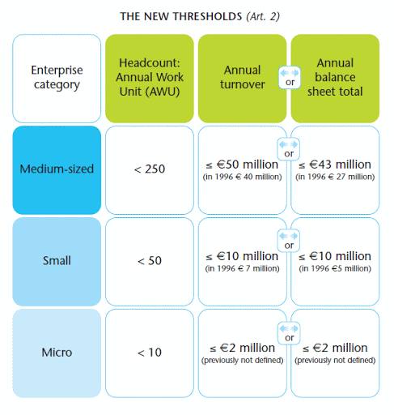
Has your enterprise exceeded the relevant SME thresholds as a result of a change in ownership following a merger or acquisition?* |  |  |  |  | Choose One
In terms of Annex I of Commission Regulation (EC) No651/2014 of 17th June 2014 declaring certain categories of aid compatible with the internal market in application of Articles 107 and 108 of the Treaty (General Block Exemption Regulation) |  |  |  |  | Choose One

Name of legal representative of the undertaking signing this declaration
Designation of legal representative of the undertaking signing this declaration

Signature

Date

The purpose of Article 4.2 of the SME Definition is to ensure that enterprises that experience growth are not penalised with loss of SME status unless they exceed the relevant thresholds for a sustained period. In line with this intention, Article 4.2 does not apply in the case of enterprises that exceed the relevant SME thresholds as a result of a change in ownership following a merger or acquisition, which is usually not considered temporary and not subject to volatility. Enterprises that are subject to a change in ownership need to be assessed on the basis of their shareholder structure at the time of the transaction, not at the time of closure of the latest accounts. Therefore, the loss of SME status may be immediate. more information may be found https://ec.europa.eu/docsroom/documents/15582/attachments/1/translations.

